T.2.5-6 Steel Tube Chassis
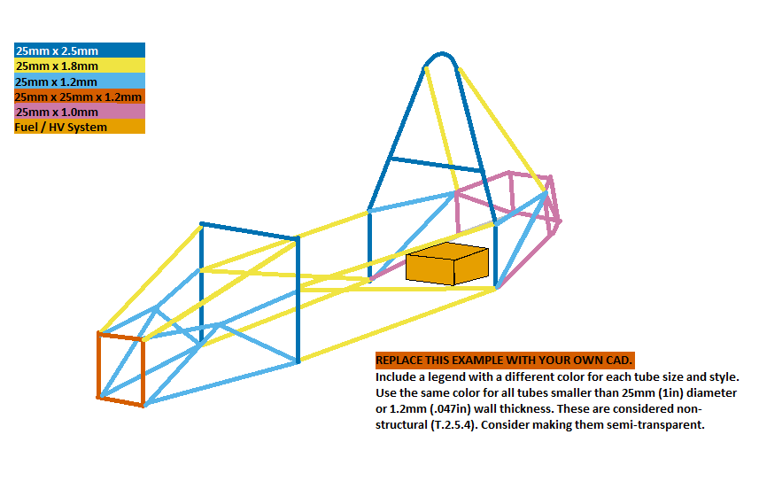
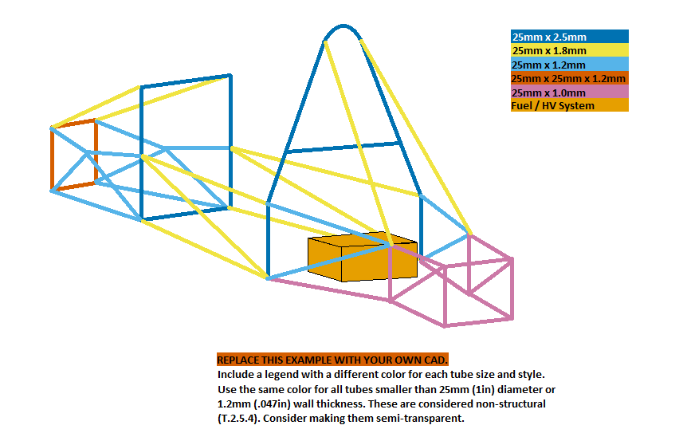
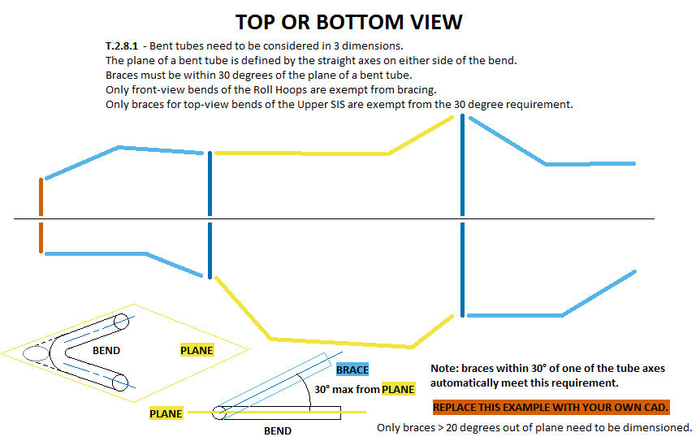
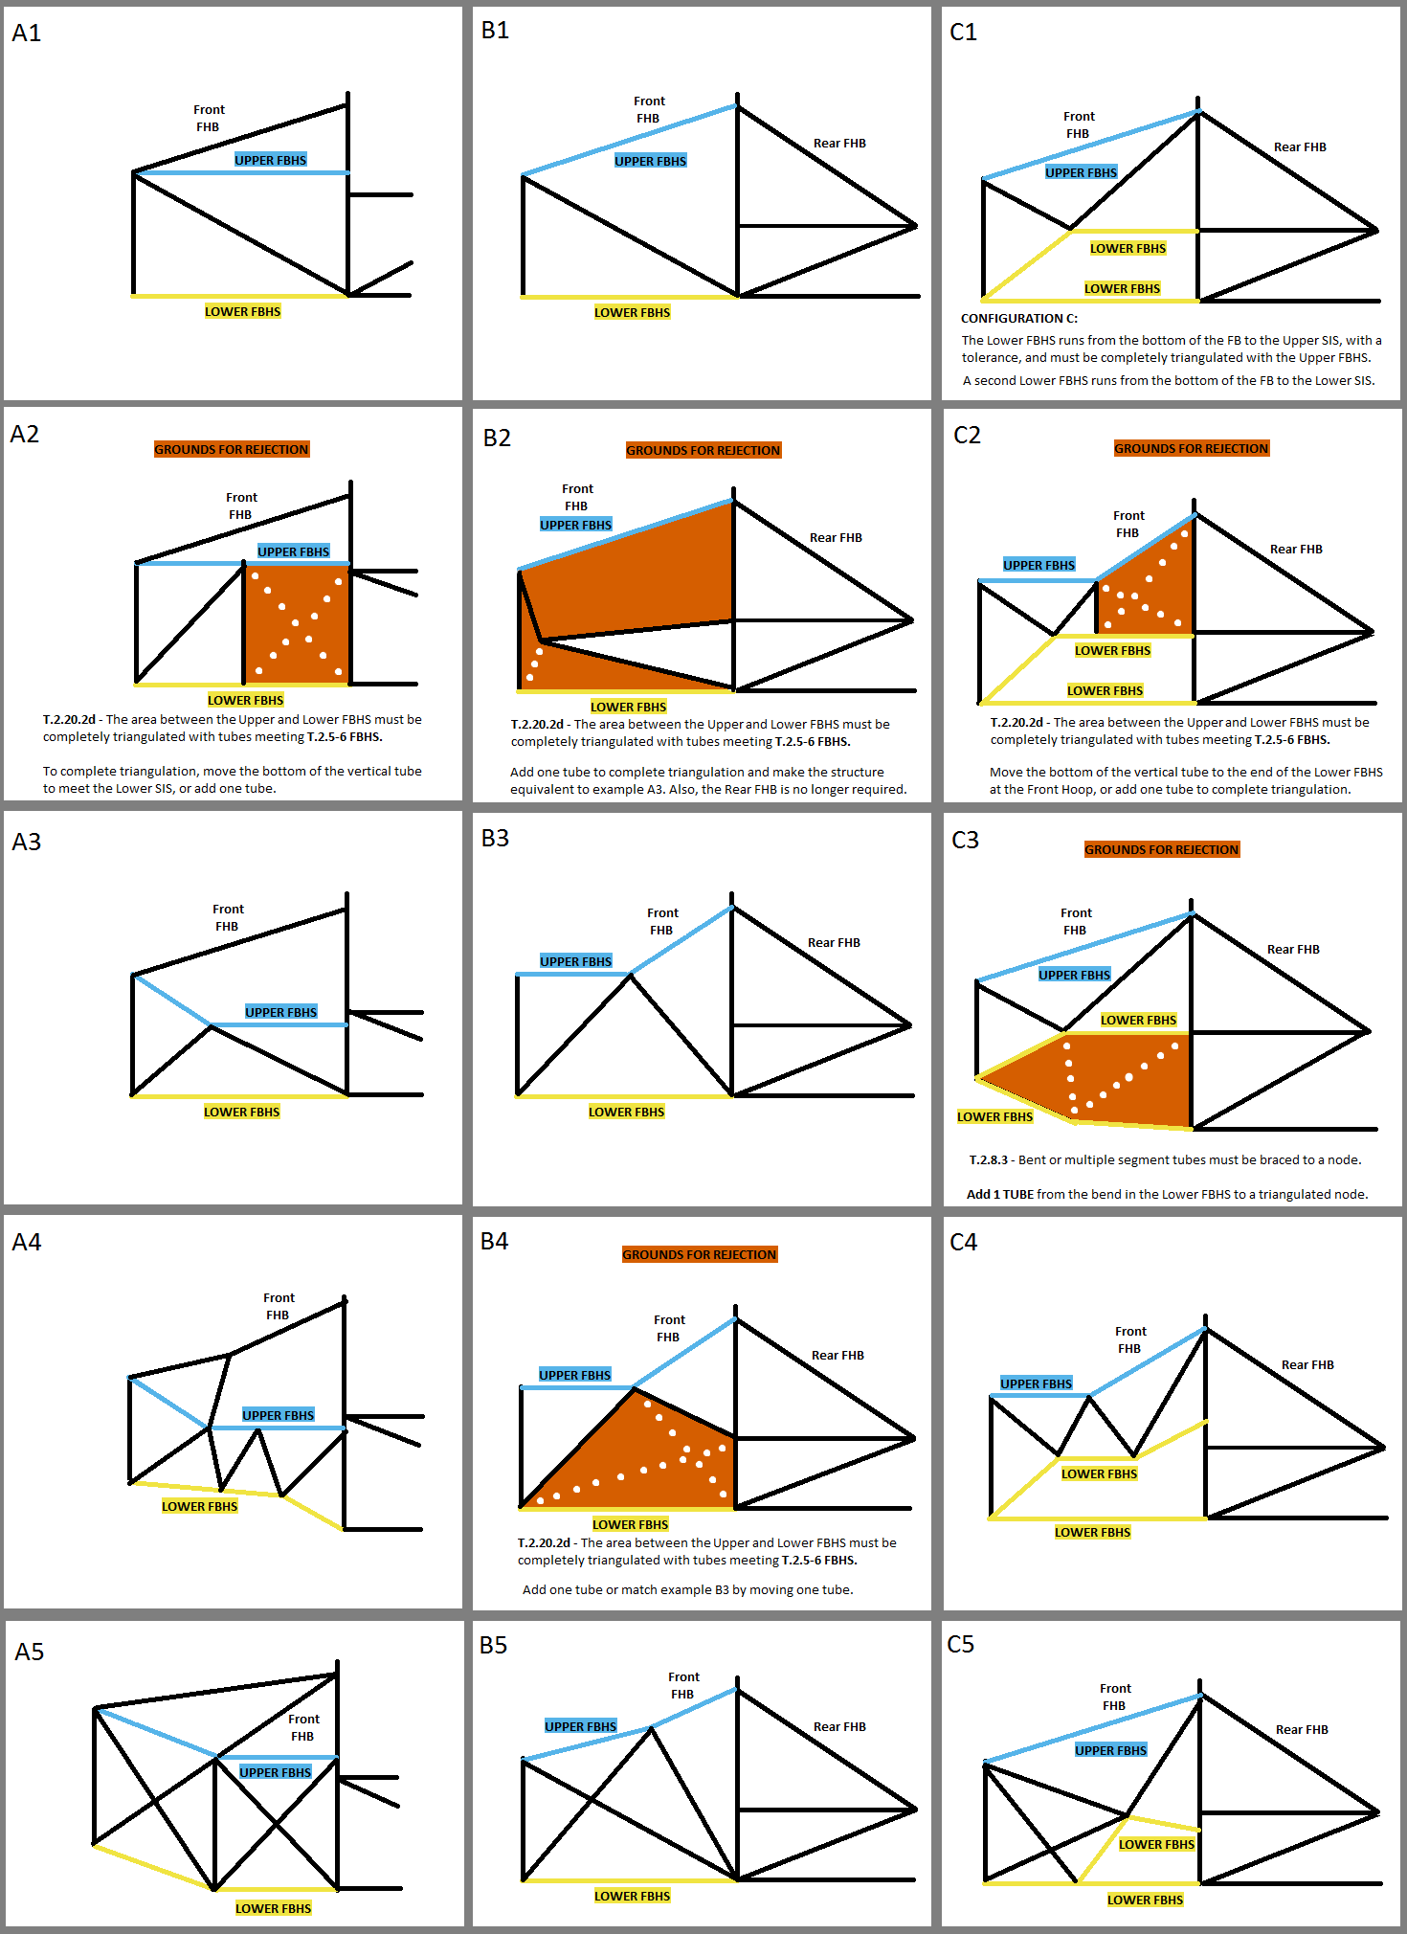
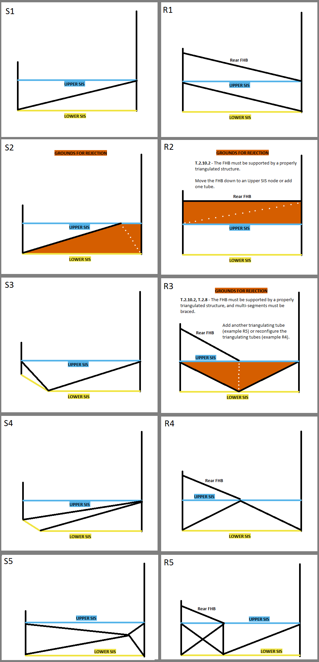
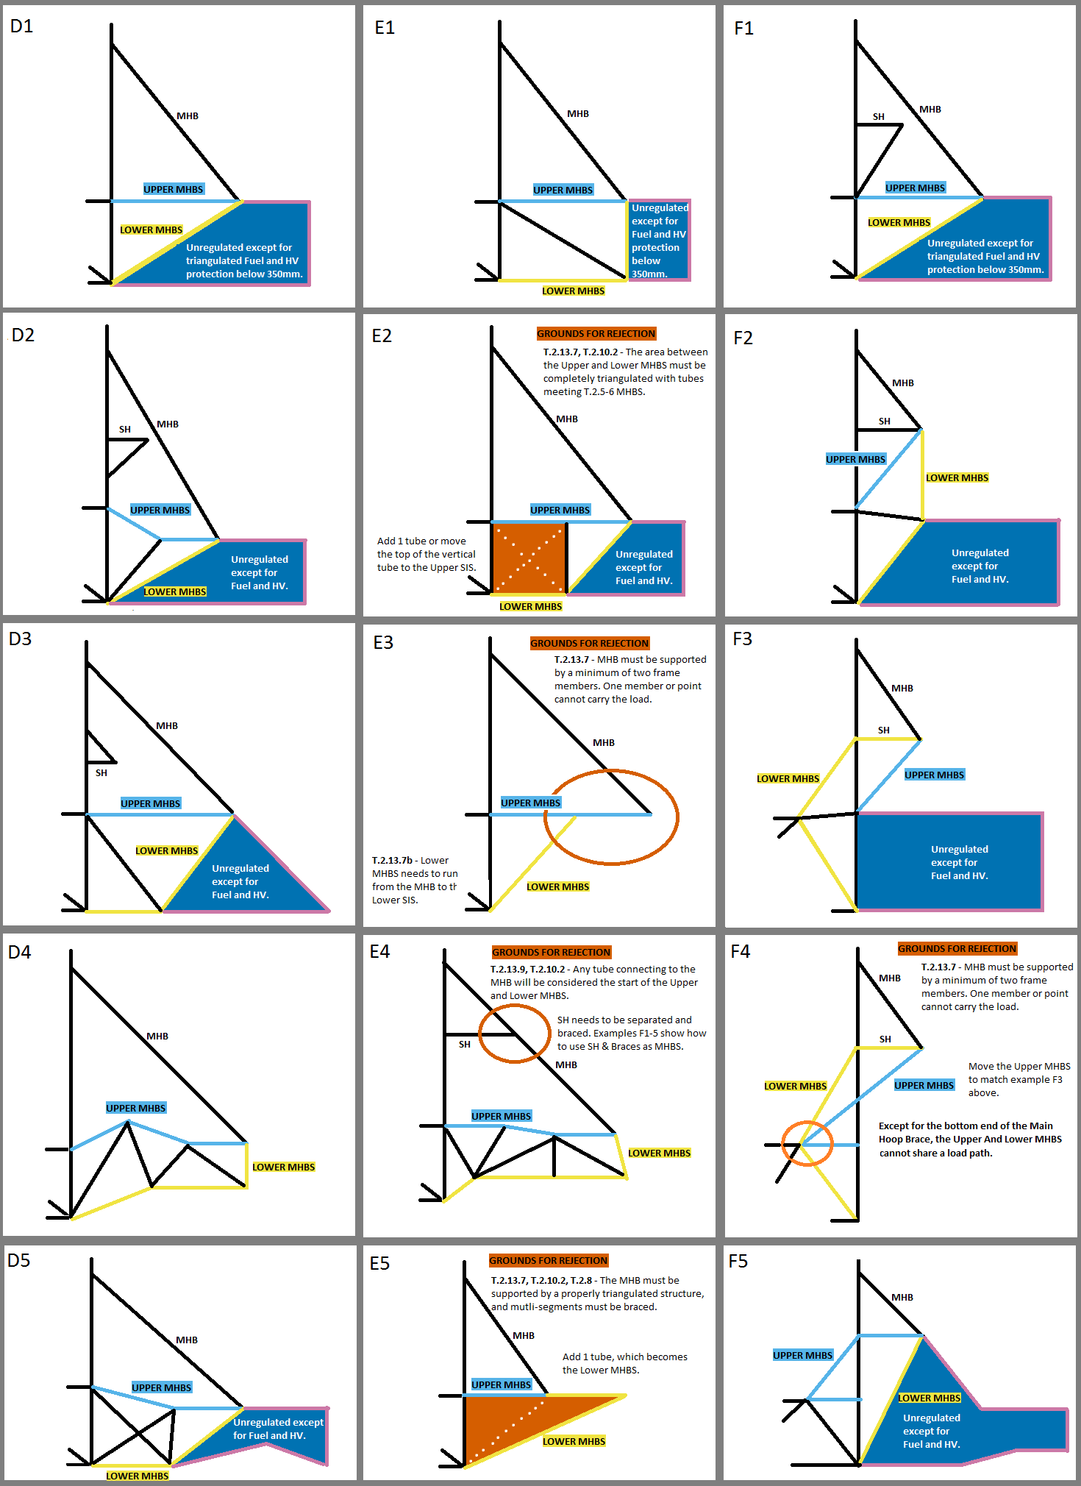
University Name |  |  | Ecole Centrale de Lyon |  |  |  | EQ |  | 2019 | FSAETM STRUCTURAL EQUIVALENCY SPREADSHEET (SES) - Steel Tube Chassis - v.1.4 - Front Bulkhead 406x355, Single Brace Wing Mount |  |  |  |  |  |  |  |  |  |  |  |  |  |  |  |  |  |  |  |  |  |  |  |  |  |  |  |  |  |  |  |  |  |  |  |  | The examples to the right cover the tube location requirements for the FBHS, SIS, and MBHS. There are many solutions not shown that can meet the documentation, triangulation, and bracing requirements. The examples to the left need to be replaced with your own CAD. Images should be clear, undistorted, moderate filesize. Each SES file 25Mb max. |  |  | FBHS: Some examples and explanations for configurations A, B, and C. | SIS Examples | SIS with Rear FHB (or Forward MHB) | MHBS examples and explanations. | Using Shoulder Harness Bar/Braces
Team Name |  |  | Ecurie Piston Sport Auto |  |  |  | EQ |  |  | Only cells with borders can be edited. Enter all values as positive numerals.
Competitions |  |  |  |  |  |  | BLANK |  | Cells with drop down lists are highlighted with a thick border. An initial setting is shown.
Car Numbers |  |  |  |  |  |  | BLANK |  | Each entry, each category, each tab, and the entire sheet are coded as either BLANK, EQ, CHECK, REJECT, or N/A.
Team Contact(s) |  |  |  |  |  |  | BLANK |  | The status of some cells depends on entries in other cells.
Email Address(es) |  |  |  |  |  |  | BLANK
Faculty Advisor |  |  |  |  |  |  | BLANK |  | SELECT YOUR UNITS. The entire SES will be completed in either mm or Inch. Inch tubing can be entered in mm, and vice versa. |  |  |  |  |  |  |  |  |  |  |  |  |  |  |  |  |  |  |  |  |  |  |  |  |  |  |  |  |  |  |  |  |  |  |  |  |  | Using this 7-color palette will accommodate color blind students or reviewers:
Email Address |  |  |  |  |  |  | BLANK |  | Keep a copy of the rules open to reference rule numbers directly while filling out the SES. |  |  |  |  |  |  |  |  |  |  |  |  |  |  |  |  |  |  |  |  |  |  |  |  |  |  |  |  |  |  |  |  |  |  |  |  |  | http://mkweb.bcgsc.ca/colorblind/
Powertrain Type |  |  | Internal Combustion |  |  |  | EQ |  | Read the additional guidance on the right side of the sheet. |  |  |  |  |  |  |  |  |  |  | Front 3/4 3D CAD with color coded tube sizes required. |  |  |  |  |  |  |  |  |  | Rear 3/4 3D CAD with color coded tube sizes required. |  |  |  |  |  |  |  |  |  |  |  |  |  |  |  |  | In the examples to the right:
Summary |  | Ready to submit for review? |  |  |  |  |  |  | Fill in the sections at the bottom of the main tab. |  |  |  |  |  |  |  |  |  |  |  |  |  |  |  |  |  |  |  |  |  |  |  |  |  |  |  |  |  |  |  |  |  |  |  |  |  | THE SKY BLUE LINE is the upper tube
 |  |  |  |  |  |  |  |  | Replace example images with your own clear, undistorted CAD, showing all required dimensions in a moderate filesize. Each SES file 25Mb max. |  |  |  |  |  |  |  |  |  |  |  | Use different colors for square and round. |  |  |  |  |  |  |  |  |  | Use different colors for square and round. |  |  |  |  |  |  |  | Top or bottom view required for 30 degree bend check. |  |  |  |  |  |  |  | THE YELLOW LINE is the lower tube
NO |  | BLUE: NO. BLANK ENTRY. INCOMPLETE. CHECK ALL TABS. |  |  |  |  |  |  | Proceed to all other tabs. |  |  |  |  |  |  |  |  |  |  |  |  |  |  |  |  |  |  |  |  |  |  |  |  |  |  |  |  |  |  |  |  |  |  |  |  |  | BLACK LINES are additional related tubes
 |  | This will not change until all required entries are filled out. Check all tabs. |  |  |  |  |  |  |  |  |  |  |  |  |  |  |  |  |  |  | Include a legend that shows each color and size. |  |  |  |  |  |  |  |  |  | Include a legend that shows each color and size. |  |  |  |  |  |  |  | Multiple or detail images may be used anywhere in the SES. |  |  |  |  |  |  |  | ORANGE AREAS highlight design aspects that do not meet the rules
 |  | Incomplete submissions will incur a penalty. |  |  |  |  |  |  | There are three versions of the SES: |  |  |  |  |  |  |  |  |  |  |  |  |  |  |  |  |  |  |  |  |  |  |  |  |  |  |  |  |  |  |  |  |  |  |  |  |  | White dotted lines |  | represent potential design changes to an orange area to allow it to pass.
 |  | BROWN: NO. GROUNDS FOR REJECTION. CHECK ALL TABS. |  |  |  |  |  | 1 | Use the Steel Tube version for all frames built to comply fully with T.2.5 or T.2.6 |  |  |  |  |  |  |  |  |  |  | Fuel tank or HV systems must be shown in orange. |  |  |  |  |  |  |  |  |  | Fuel tank or HV systems must be shown in orange.
 |  | Locate all violations and bring the design into compliance before submitting. |  |  |  |  |  | 1.a | T.2.5.3 - Any and all steel grades are assigned the same material properties. No material properties for different grades may be used in the SES. |  |  |  |  |  |  |  |  |  |  |  |  |  |  |  |  |  |  |  |  |  |  |  |  |  |  |  |  |  |  |  |  |  |  |  |  |  | ACRONYMS
 |  | Grounds for rejection could be considered incomplete and incur a penalty. |  |  |  |  |  | 2 | Use the Monocoque/Hybrid/Non-Ferrous version for all frames built in part or in whole to comply with T.2.7 or T.2.28-41.
 |  | SKY: YES. RULES EQUIVALENCE. |  |  |  |  |  | 2.a | Steel can be used for any part of the frame in the Monocoque/Hybrid/Non-Ferrous SES. |  |  |  |  |  |  |  |  |  |  |  |  |  |  |  |  |  |  |  |  |  |  |  |  |  |  |  |  |  |  |  |  |  |  |  |  |  | AI | Anti Intrusion Plate
BLANK |  | Document is ready for review. Double check triangulation. |  |  |  |  |  | 3 | EV teams must submit an additional document, EV HV Enclosure covering the Accumulator Container, Mounting, and HV Tractive System protection. |  |  |  |  |  |  |  |  |  |  |  |  |  |  |  |  |  |  |  |  |  |  |  |  |  |  |  |  |  |  |  |  |  |  |  |  |  | IA | Impact Attenuator
 |  | T.2.5.3 Any and all steel grades are assigned the same properties for SES analysis. |  |  |  |  |  |  |  |  |  |  |  |  |  |  |  |  |  |  |  |  |  |  |  |  |  |  |  |  |  |  |  |  |  |  |  |  |  |  |  |  |  |  |  |  | EV | Electric Vehicle
 |  | The sheet must be completed entirely in mm or entirely in Inch. |  |  |  |  |  | T.2.4.1 | SES forms must be completed and submitted by all teams no later than the date specified in the Action Deadlines on the specific event website. |  |  |  |  |  |  |  |  |  |  |  |  |  |  |  |  |  |  |  |  |  |  |  |  |  |  |  |  |  |  |  |  |  |  |  |  |  | EQ | Rules Equivalence Achieved
 |  | YELLOW: YES. CHECK ADDITIONAL EQUIVALENCIES. |  |  |  |  |  | DR.3.2.1 | Submission of late, blank, incomplete, or previous car's SES will incur a competition point penalty. |  |  |  |  |  |  |  |  |  |  |  |  |  |  |  |  |  |  |  |  |  |  |  |  |  |  |  |  |  |  |  |  |  |  |  |  |  | FB | Front Bulkhead
 |  | Some entries require additional tubes or documentation. |  |  |  |  |  | DR.3.1.2b | After the deadline, in the course of normal design evolution, revised documents may be submitted without penalty. |  |  |  |  |  |  |  |  |  |  |  |  |  |  |  |  |  |  |  |  |  |  |  |  |  |  |  |  |  |  |  |  |  |  |  |  |  | FBHS | Front Bulkhead Support
 |  | Once these are added, document is ready for review. |  |  |  |  |  | DR.3.1.3 | Please respond quickly to requests for revisions or clarifications. Submissions or comments on FSAEonline.com will send a notification to your reviewer. |  |  |  |  |  |  |  |  |  |  |  |  |  |  |  |  |  |  |  |  |  |  |  |  |  |  |  |  |  |  |  |  |  |  |  |  |  | FH | Front Roll Hoop
Units |  | mm |  |  |  |  |  | IN.8.1 | Bring a copy of the approved SES to Tech Inspection. Guidance and unused tabs are not necessary. Electronic copies of logged data cells will be acceptable. |  |  |  |  |  |  |  |  |  |  |  |  |  |  |  |  |  |  |  |  |  |  |  |  |  |  |  |  |  |  |  |  |  |  |  |  |  | FHB | Front Hoop Brace
 |  |  |  |  |  |  |  | IN.1.4 | Approval of an SES does not guarantee passing Tech Inspection. The final decision about all designs will be made at Tech Inspection. |  |  |  |  |  |  |  |  |  |  |  |  |  |  |  |  |  |  |  |  |  |  |  |  |  |  |  |  |  |  |  |  |  |  |  |  |  | HV | High Voltage
 |  |  |  |  |  |  |  |  |  |  |  |  |  |  |  |  |  |  |  |  |  |  |  |  |  |  |  |  |  |  |  |  |  |  |  |  |  |  |  |  |  |  |  |  |  |  | HR | Head Restraint
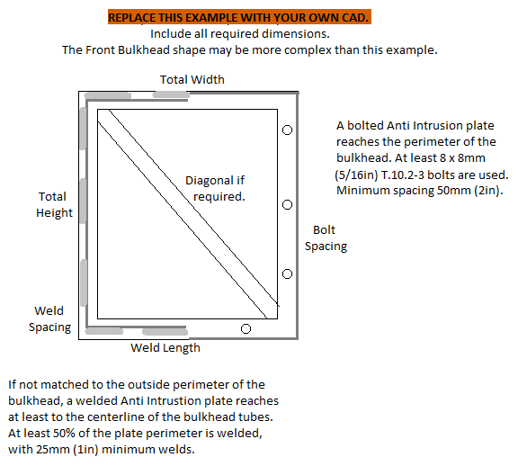
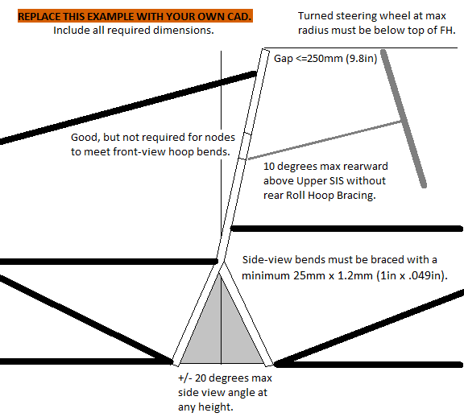
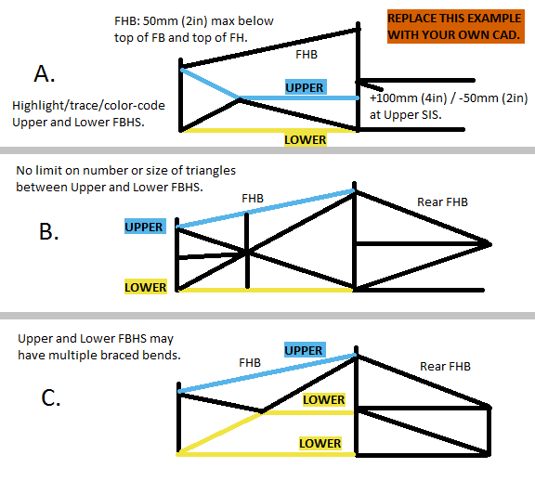
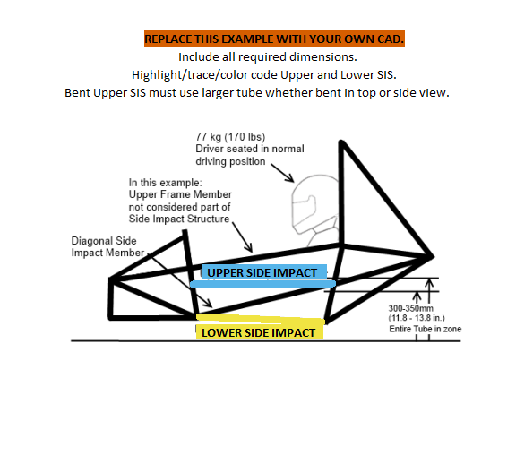
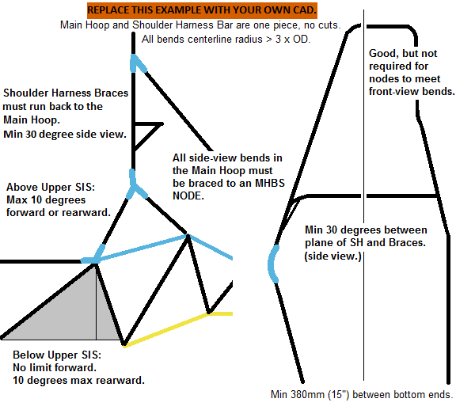
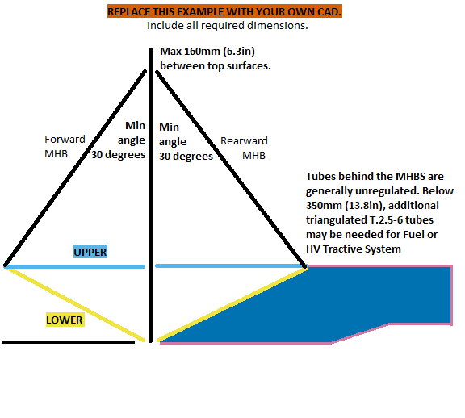
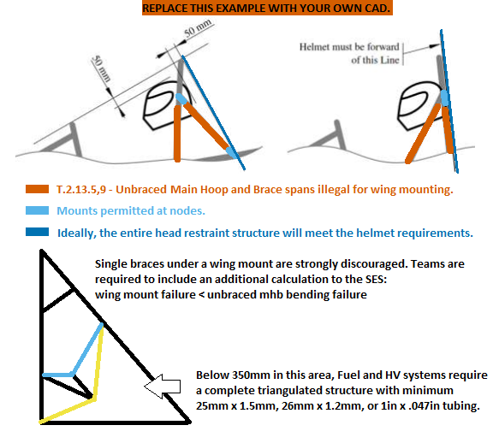
 |  |  |  |  |  |  |  |  |  |  |  |  |  |  |  |  |  |  |  |  |  |  |  |  |  |  |  |  |  |  |  |  |  |  |  |  |  |  |  |  |  |  |  |  |  |  | MH | Main Roll Hoop
 |  |  |  |  |  |  |  |  |  |  |  |  |  |  |  |  |  |  |  |  |  |  |  |  |  |  |  |  |  |  |  |  |  |  |  |  |  |  |  |  |  |  |  |  |  |  | MHB | Main Hoop Brace
 |  |  |  |  |  |  |  |  |  |  |  |  |  |  |  |  |  |  |  |  |  |  |  |  |  |  |  |  |  |  |  |  |  |  |  |  |  |  |  |  |  |  |  |  |  |  | MHBS | Main Hoop Brace Support
 |  |  |  |  |  |  |  |  |  |  |  |  |  |  |  |  |  |  |  |  |  |  |  |  |  |  |  |  |  |  |  |  |  |  |  |  |  |  |  |  |  |  |  |  |  |  | N/A | Not Applicable (Not required.)
 |  |  |  |  |  |  |  |  |  |  |  |  |  |  |  |  |  |  |  |  |  |  |  |  |  |  |  |  |  |  |  |  |  |  |  |  |  |  |  |  |  |  |  |  |  |  | SH | Shoulder Harness Structure
 |  |  |  |  |  |  |  |  |  |  |  |  |  |  |  |  |  |  |  |  |  |  |  |  |  |  |  |  |  |  |  |  |  |  |  |  |  |  |  |  |  |  |  |  |  |  | SES | Structural Equivalency Spreadsheet
 |  |  |  |  |  |  |  |  |  |  |  |  |  |  |  |  |  |  |  |  |  |  |  |  |  |  |  |  |  |  |  |  |  |  |  |  |  |  |  |  |  |  |  |  |  |  | SIS | Side Impact Structure

 |  |  |  |  |  |  |  |  |  |  |  |  |  |  |  |  |  |  |  |  |  |  |  |  |  |  |  |  |  |  |  |  |  |  |  |  |  |  |  |  |  |  |  |  |  |  | The row numbers are for reference only.
 |  |  |  |  |  |  |  |  |  |  |  |  |  |  |  |  |  |  |  |  |  |  |  |  |  |  |  |  |  |  |  |  |  |  |  |  |  |  |  |  |  |  |  |  |  |  | Designating the FBHS as A,B, or C is needed to check rule T.2.20.2a-b.
Front Bulkhead CAD with dimensions required. |  |  |  |  |  |  |  |  |  |  |  |  |  |  |  |  |  |  |  |  |  |  |  |  |  |  |  |  |  |  |  |  |  |  |  |  |  |  |  |  |  |  |  |  |  |  | The other column letters are for reference only.
 |  |  |  |  |  |  | Front Hoop CAD with dimensions required. |  |  |  |  |  |  | FBHS, FHB CAD with dimensions required. |  |  |  |  |  |  | SIS CAD with dimensions required. |  |  |  |  |  | MH + SH CAD with dimensions required. |  |  |  |  |  |  |  | MHB, MHBS CAD with dimensions required. |  |  |  |  |  | Clearance CAD with dimensions required.
 |  |  |  |  |  |  |  |  |  |  |  |  |  |  |  |  |  |  |  |  |  |  |  |  |  |  |  |  |  |  |  |  |  |  |  |  |  |  |  |  |  |  |  |  |  |  | 1. | Designate the Upper FBHS/SIS/MBHS along its entire length.
 |  |  |  |  |  |  |  |  |  |  |  |  |  | Highlight/trace/color code required tubes. |  |  |  |  |  |  | Highlight/trace/color code required tubes. |  |  |  |  |  |  |  |  |  |  |  |  |  | Highlight/trace/color code required tubes. |  |  |  |  |  |  |  |  |  |  |  |  | Designate the Lower FBHS/SIS/MBHS along its entire length.
 |  |  |  |  |  |  |  |  |  |  |  |  |  |  |  |  |  |  |  |  |  |  |  |  |  |  |  |  |  |  |  |  |  |  |  |  |  |  |  |  |  |  |  |  |  |  |  | Designate all Front and Main Hoop Braces.
 |  |  |  |  |  |  |  |  |  |  |  |  |  |  |  |  |  |  |  |  |  |  |  |  |  |  |  |  |  |  |  |  |  |  |  |  |  |  |  |  |  |  |  |  |  |  |  | Include all dimensions requested by the SES.

 |  |  |  |  |  |  |  |  |  |  |  |  |  |  |  |  |  |  |  |  |  |  |  |  |  |  |  |  |  |  |  |  |  |  |  |  |  |  |  |  |  |  |  |  |  |  | MHBS | Any tube supporting the MHB is considered the start of the Upper and Lower MHBS.
 |  |  |  |  |  |  |  |  |  |  |  |  |  |  |  |  |  |  |  |  |  |  |  |  |  |  |  |  |  |  |  |  |  |  |  |  |  |  |  |  |  |  |  |  |  |  |  | No wing mounts may be located mid-span on the MHB or MH.
 |  |  |  |  |  |  |  |  |  |  |  |  |  |  |  |  |  |  |  |  |  |  |  |  |  |  |  |  |  |  |  |  |  |  |  |  |  |  |  |  |  |  |  |  |  |  |  | A Shoulder Harness bar or braces may also act as an MHBS member.
 |  |  |  |  |  |  |  |  |  |  |  |  |  |  |  |  |  |  |  |  |  |  |  |  |  |  |  |  |  |  |  |  |  |  |  |  |  |  |  |  |  |  |  |  |  |  |  | The MHB may act as braces for a bent Shoulder Harness Bar.
 |  |  |  |  |  |  |  |  |  |  |  |  |  |  |  |  |  |  |  |  |  |  |  |  |  |  |  |  |  |  |  |  |  |  |  |  |  |  |  |  |  |  |  |  |  |  |  | See column 'F' to the right.
 |  |  |  |  |  |  |  |  |  |  |  |  |  |  |  |  |  |  |  |  |  |  |  |  |  |  |  |  |  |  |  |  |  |  |  |  |  |  |  |  |  |  |  |  |  |  |  | A Head Restraint tube may run between the MHB tubes. A Head Restraint tube behind the MHB tubes risks becoming the rollover envelope, and is strongly discouraged.

 |  |  |  |  |  |  |  |  |  |  |  |  |  |  |  |  |  |  |  |  |  |  |  |  |  |  |  |  |  |  |  |  |  |  |  |  |  |  |  |  |  |  |  |  |  |  | 2. | The area between the Upper and Lower FBHS/SIS/MBHS must be completely triangulated with triangles. All triangulating tubes must meet T.2.5-6.

If additional images are necessary, they may be placed below each section. |  |  |  |  |  |  | If additional images are necessary, they may be placed below each section. |  |  |  |  |  |  | If additional images are necessary, they may be placed below each section. |  |  |  |  |  |  | If additional images are necessary, they may be placed below each section. |  |  |  |  |  | If additional images are necessary, they may be placed below each section. |  |  |  |  |  |  |  | If additional images are necessary, they may be placed below each section. |  |  |  |  |  | If additional images are necessary, they may be placed below each section.
EQ |  | Anti-Intrusion and Front Bulkhead |  |  |  |  | EQ |  | Front Hoop (FH) |  |  |  |  | EQ |  | Front Bulkhead Supports (FBHS) |  |  |  |  | EQ |  | Side Impact Structure (SIS) |  |  |  | EQ |  | Main Hoop (MH) |  |  |  |  |  | REJECT |  | Main Hoop Braces (MHB) |  |  |  | BLANK |  | Helmet Clearance, Head Restraint, |  |  |  | FBHS | An FBHS node may be offset from the Upper SIS by +100mm/-50mm.
 |  |  |  |  |  |  |  |  |  |  |  |  |  |  |  |  |  |  |  |  |  |  |  |  |  |  |  |  |  |  |  |  |  |  |  |  |  |  |  |  |  |  |  |  |  |  |  | The upper and lower segments of the FH (created by the offset with the Upper SIS) are treated as one segment.
EQ |  |  |  |  |  |  | T.2.12.2 - The FH runs from the lowest frame member on each side. |  |  |  |  |  |  | and Front Hoop Braces (FHB) |  |  |  |  |  |  | T.2.26.4 - Designate the Upper SIS along its entire length. |  |  |  |  |  | and Shoulder Harness Bar (SH) |  |  |  |  |  |  |  | and Main Hoop Brace Supports (MHBS) |  |  |  |  |  | and Rear Wing Mounting
T.2.22.1 | Anti-Intrusion Plate (AI) material: |  |  | Steel |  | EQ | T.2.12.3 - The FH may be multiple pieces. Side view bends must be braced per T.2.8. |  |  |  |  |  |  |  |  |  |  |  |  |  | T.2.26.5 - Lower SIS on each side from the bottom of the FH to the bottom of the MH. Designate the Lower SIS along its entire length.
 | Steel: 1.5mm (0.060in), Aluminum: 4.0mm (.157in): |  |  | 1.5 | mm | EQ |  |  |  |  |  |  |  | There are three basic configurations for the FBHS: |  |  |  |  |  |  |  |  |  |  |  |  | T.2.11.1 - The Main Hoop must be one piece of uncut, continuous tubing. |  |  |  |  |  |  |  | T.2.13.5 - The Main Hoop Braces must be one piece, with no bends. |  |  |  |  |  | The rollover plane is defined by the direction of the main hoop braces, shown above. |  |  |  |  |  |  | This is the only exception to the triangulation requirement.
 |  |  |  |  |  |  | EQ |  |  |  |  |  |  | A. | Upper FBHS from the top of the FB to the Upper SIS, with a tolerance. Lower FBHS from the bottom of the FB to the Lower SIS. |  |  |  |  |  | T.2.26.6 - The area between the upper and lower SIS must be completely triangulated with tubes meeting T.2.5-6 SIS. |  |  |  |  |  | T.2.11.2 - The Main Hoop must extend up from the lowest frame member on both sides. |  |  |  |  |  |  |  | Designate the Main Hoop Braces. |  |  |  |  |  | T.2.2.1 - Head restraints cannot exceed the rollover envelope at any angle.
T.2.39 - For AI plates made of any material besides steel or aluminum, either the IA test or 3-Point and Shear tests are required. In the latter case, the 3-Point and Shear tabs in the Monocoque / Hybrid / Non-Ferrous SES must be copied into this file and completed. |  |  |  |  |  |  | T.2.12 | Front Hoop thinnest wall tube used: |  |  | Round |  | EQ |  |  |  |  |  |  |  |  |  |  |  |  |  | T.2.11.3b - Main Hoop side view bends above Upper SIS must be braced to an MHBS or SIS node. |  |  |  |  |  |  |  | 'X' or 'V' MHB configurations are strongly discouraged. |  |  |  |  |  | T.2.13.9 - Head restraints and wing mounts cannot risk buckling the MH or MHB. |  |  |  |  |  | MHBS | Additional triangulated structure behind the MHB/MHBS may be required for Fuel or HV component protection up to 350mm above ground.
 |  |  |  |  |  |  |  | Wall thickness: |  |  | 2 | mm | EQ | B. | Upper FBHS from the top of FB to above the Upper SIS, braced rearward. Lower FBHS from the bottom of the FB to the Lower SIS.
 |  |  |  |  |  |  |  | Outer Diameter (OD): |  |  | 30 | mm | EQ |  |  |  |  |  |  |  | EQ |  |  |  |  |  | T.4.5.1 - The Shoulder Harness Bar must be one piece of uncut, continuous tubing. |  |  |  |  |  |  |  | T.2.13.7 - The MHB must be triangulated back to the Main Hoop at the Upper and Lower SIS. |  |  |  |  |  | T.2.13.9 - Wing mounts cannot be added to the middle of the MHB without bracing. |  |  |  |  |  |  | Otherwise, the area behind a rearward MHB / MHBS is unregulated.
 |  |  |  |  |  |  |  |  |  |  |  |  |  | C. | Upper FBHS from the top of FB to above the Upper SIS, braced rearward. Lower FBHS from the bottom of the FB to the Upper SIS, with a tolerance. A second Lower FBHS path from the bottom of the FB to the Lower SIS. |  |  |  |  |  | T.2.26.4 | Lowest point of Upper SIS at ride height >=300mm: |  | 311 | mm | EQ | T.4.5.2 - The Shoulder Harness Bar must connect to the Main Hoop at both ends. |  |  |  |  |  |  |  | T.2.13.7a - The Upper MHBS runs from MHB to the Upper SIS. Designate the Upper MHBS along its entire length. |  |  |  |  |  | T.2.13.5 - The Main Hoop Braces must be one piece, with no bends.
EQ |  |  |  |  |  |  | T.2.5.1 - minimum Front Hoop tube size: Round: 25mm x 2.5mm (1in x .095in) |  |  |  |  |  |  |  |  |  |  |  |  |  |  | Highest point of Upper SIS at ride height <=350mm: |  | 345 | mm | EQ | T.4.5.3b - Shoulder Harness Braces must support the middle of SH bends. |  |  |  |  |  |  |  |  |  |  |  |  |  | T.2.13.9 - Any additional bracing under the MHB (putting the MHB in bending) is considered the start of the Upper and Lower MHBS. |  |  |  |  |  | 3. | All bends and multiple segment members must be braced according to T.2.8.
T.2.22.2 | AI Attachment: |  |  | Welded |  | EQ |  |  |  |  |  |  |  |  |  |  |  |  |  |  |  |  |  |  |  |  | T.4.5.3b - Shoulder Harness Braces must connect back to the Main Hoop. |  |  |  |  |  |  |  | T.2.13.7b- The Lower MHBS runs from MHB to the Lower SIS. Designate the Lower MHBS along its entire length. |  |  |  |  |  |  |  |  |  |  |  |  | T.2.8.1 - The bend radius at the centerline axis must be >= 3 x tube OD.
 | AI plate must at least reach the centerline of Front Bulkhead tubes. |  |  |  |  | EQ | T.2.6.3 - For alternate T.2.6 Front Hoop wall thicknesses as low as 2.0mm (.079in), the outer diameter must be increased to maintain the cross sectional area. |  |  |  |  |  |  | T.2.20.2a - Designate the Upper FBHS along its entire length. |  |  |  |  |  |  | EQ |  |  |  |  |  |  |  |  |  |  |  |  |  |  |  |  |  |  |  | T.2.13.9 - Place rear wing mounts at nodes, or away from the MHB. |  |  |  |  |  |  | T.2.8.3a - The brace must be at the center of the bend or intersection.
 | At least half the perimeter must be welded: |  |  | 50 | % | EQ |  |  |  |  |  |  |  | T.2.20.2c - Designate the Lower FBHS along its entire length. |  |  |  |  |  |  | T.2.26 | Upper SIS geometry: |  | Straight |  | EQ | EQ |  |  |  |  |  |  |  | T.2.13.7, T.2.10.2 - The area between the Upper and Lower MHBS must be completely triangulated with tubes meeting T.2.5-6 FBHS. |  |  |  |  |  |  |  |  |  |  |  |  | T.2.8.3b - The brace must be at least as big as the largest tube being braced.
 | Shortest weld >= 25mm (1in): |  |  | 25 | mm | EQ |  |  |  |  |  |  |  | T.2.20.2d - The area between the Upper and Lower FBHS must be completely triangulated with tubes meeting T.2.5-6 FBHS. |  |  |  |  |  |  |  | Upper SIS thinnest wall tube used: |  | Round |  | EQ | T.2.11 | Main Hoop thinnest wall tube used: |  |  |  | Round |  | EQ |  |  |  |  |  |  | EQ |  |  |  |  |  |  | T.2.8.3b - The brace must be within 30 degrees of the plane of the bend.
 |  |  |  |  |  |  | EQ |  |  |  |  |  |  |  |  |  |  |  |  |  |  | Wall thickness: |  | 1.5 | mm | EQ |  | Wall thickness: |  |  |  | 2 | mm | EQ | T.2.13.7a - A Shoulder Harness Bar and/or SH Brace may be used as part of the MHBS. |  |  |  |  |  | T.2.10.3a | Helmet >=50mm (2in) below Roll Hoop plane: |  | 60 | mm | EQ |  | The plane of the bend is defined by the straight axes on either side of the bend.
EQ |  |  |  |  |  |  | T.2.12.4 | Turned Steering Wheel minimum below FH top: |  |  | 72 | mm | EQ |  |  |  |  |  |  |  |  | Outer Diameter (OD): |  | 30 | mm | EQ |  | Outer Diameter (OD): |  |  |  | 30 | mm | EQ | T.2.13.9, T.2.10.2 - Any connecting tube will be considered the start of the Upper and Lower MHBS. |  |  |  |  |  |  |  |  |  |  |  |  | The plane and 30 degree requirement must be considered in 3 dimensions.
T.2.19 | Front Bulkhead (FB) thinnest wall tube used: |  |  | Round |  | EQ |  |  |  |  |  |  |  | T.2.14.6 - The FHB must be straight, without any bends. (One segment.) |  |  |  |  |  |  |  |  |  |  |  |  |  |  |  |  |  |  |  |  |  |  |  |  |  |  | BLANK
 | Wall thickness: |  |  | 1.5 | mm | EQ | EQ |  |  |  |  |  |  | Designate the Front Hoop Braces. |  |  |  |  |  |  | EQ |  |  |  |  |  | EQ |  |  |  |  |  |  |  | T.2.11.3b - Main Hoop side view bends above Upper SIS must be braced to an MHBS node. |  |  |  |  |  | T.2.10.3bc | Main Hoop Braces protecting Helmet: |  | Rearward |  | EQ | SIS | A bent SIS must be larger in diameter and wall thickness.
 | Outer Diameter (OD): |  |  | 30 | mm | EQ | T.2.12.5 | FH to Steering Wheel gap <=250mm (9.8in) |  |  | 136 | mm | EQ | T.2.14.3 - The FHB should extend all the way to the Front Bulkhead. |  |  |  |  |  |  | T.2.26 | Lower and Diagonal SIS thinnest wall tube used: |  | Round |  | EQ | T.4.5 | Shoulder Harness Bar Geometry: |  |  |  | Straight |  | EQ |  |  |  |  |  |  | T.2.10.3bc | Helmet >=50mm (2in) below Hoop/Brace plane: |  |  | mm | BLANK |  | A straight SIS may be intersected by triangulated tubes without being considered bent.
 |  |  |  |  |  |  |  |  |  |  |  |  |  | T.2.10.2 - Front FHB that do not reach the FB must end the node of a completely triangulated structure. |  |  |  |  |  |  |  | Wall thickness: |  | 1.5 | mm | EQ |  | Shoulder Harness Bar thinnest wall tube used: |  |  |  | Round |  | EQ |  | Main Hoop requires braces that run rearward.
T.2.5.1 - minimum Front Bulkhead tube size: Round: 25mm x 1.75mm (1in x .065in) Square: 25mm x 25mm x 1.2mm (1in x 1in x .047in) |  |  |  |  |  |  | EQ |  |  |  |  |  |  | T.2.10.2 - Rear FHB must end at the node of a completely triangulated structure. |  |  |  |  |  |  |  | Outer Diameter (OD): |  | 30 | mm | EQ |  | Wall thickness: |  |  |  | 2 | mm | EQ | EQ |  |  |  |  |  | EQ |  |  |  |  |  | FBHS | Front and Main Hoop Braces may only be one segment.
 |  |  |  |  |  |  | T.2.12.6 | Maximum Front Hoop side angle <=20 degrees: |  |  | 0 | degrees | EQ | T.2.2.2 - The driver's feet must be completely enclosed by tubes meeting T.2.5-6. |  |  |  |  |  |  |  |  |  |  |  |  |  | Outer Diameter (OD): |  |  |  | 30 | mm | EQ | T.2.13.3 | Main Hoop brace direction: |  | Rearward |  | EQ | T.2.2.1 | Head Restraint >=0 from ground in any rollover: |  | 10 | mm | EQ |  | The FHB may form part, all, or none of the Upper FBHS.
 |  |  |  |  |  |  |  |  |  |  |  |  |  | Tubes may be added for leg and foot protection. |  |  |  |  |  |  | T.2.5.1 - minimum Side Impact Structure tube size: Round: 25mm x 1.75mm (1in x .065in) Square: 25mm x 25mm x 1.2mm (1in x 1in x .047in) Bent Upper SIS: 35mm x 1.2mm (1.375in x .047in) |  |  |  |  |  |  | Shoulder Harness Bar does not require braces. |  |  |  |  |  |  | T.2.13.4 | Angle between MH and MHB >=30 degrees: |  | 41 | degrees | EQ |  |  |  |  |  |  |  | The FHB should reach the Front Bulkhead.
T.2.6.3 - For alternate T.2.6 Front Bulkhead wall thicknesses as low as 1.2mm (.047in), the outer diameter must be increased to maintain the cross sectional area. |  |  |  |  |  |  | EQ |  |  |  |  |  |  | 'X' or 'V' FHB configurations are discouraged. |  |  |  |  |  |  |  |  |  |  |  |  |  |  |  |  |  |  |  |  |  |  |  |  |  |  | Note: A straight tube between the MHB tubes as part of the Head Restraint does not form part of the rollover envelope. A Head Restraint protruding behind the MHB tubes risks becoming part of the rollover envelope, and is strongly discouraged. |  |  |  |  |  |  | Otherwise, it must end at the node of a completely triangulated structure.
 |  |  |  |  |  |  | T.2.14.5 | FH rearward lean above Upper SIS <= 10, or braced: |  |  | 0 | degrees | EQ |  |  |  |  |  |  |  |  |  |  |  |  |  | T.2.5.1 - minimum Main Hoop and Shoulder Harness Bar tube size: Round: 25mm x 2.5mm (1in x .095in) |  |  |  |  |  |  |  | EQ |  |  |  |  |  |  |  |  |  |  |  |  | A rear FHB must end at the node of a completely triangulated structure.
 |  |  |  |  |  |  |  | Rearward Front Hoop Brace is not required. |  |  |  |  |  | EQ |  |  |  |  |  |  |  |  |  |  |  |  |  |  |  |  |  |  |  |  | T.2.13.4 | Top of MH of MHB tube, 160mm vertical limit: |  | 160 | mm | EQ |  |  |  |  |  |  |  | Tubes may be added for leg and foot protection.
EQ |  |  |  |  |  |  |  |  |  |  |  |  |  | T.2.20 | Front Bulkhead Support (FBHS) thinnest wall tube: |  | Round |  | EQ |  | T.2.6.3 - For alternate T.2.6 Front Bulkhead wall thicknesses as low as 1.2mm (.047in), the outer diameter must be increased to maintain the cross sectional area. |  |  |  |  |  | T.2.6.3 - For alternate T.2.6 Main Hoop and Shoulder Harness Bar wall thicknesses as low as 2.0mm (.079in), the outer diameter must be increased to maintain the cross sectional area.
T.2.23.4 | Impact Attenuator (IA) used: |  |  | Standard |  | EQ |  |  |  |  |  |  |  |  | Wall thickness: |  | 1.5 | mm | EQ |  |  |  |  |  |  |  |  |  |  |  |  |  |  |  | EQ |  |  |  |  |  | EQ |  |  |  |  |  | MHBS | Any tube supporting the MHB is considered the start of the Upper and Lower MHBS.
 | Longest FB dimension (Height or Width): |  |  | 360 | mm | EQ |  |  |  |  |  |  |  |  | Outer Diameter (OD): |  | 25 | mm | EQ |  |  |  |  |  |  |  |  |  |  |  |  |  |  |  | T.2.13 | Main Hoop Braces thinnest wall tube: |  | Round |  | EQ | T.2.13.9 | Rear Wing chassis mounting locations: |  |  |  | EQ |  | A Head Restraint tube may run between the MHB tubes. A Head Restraint tube behind the MHB tubes risks becoming the rollover envelope, and is strongly discouraged.
 | Shortest FB dimension (Height or Width): |  |  | 360 | mm | EQ |  |  |  |  |  |  |  |  |  |  |  |  |  |  |  |  |  |  |  |  |  | Shoulder Harness Bar does not require braces. |  |  |  |  |  |  |  | Wall thickness: |  | 1.5 | mm | EQ |  |  |  |  |  | EQ
 | Optional Front Bulkhead Diagonal: |  |  | Round |  | EQ |  |  |  |  |  |  |  | T.2.5.1 - minimum FBHS tube size: Round: 25mm x 1.5mm -or- 26mm x 1.2mm (1in x .047in) Square: 25mm x 25mm x 1.2mm (1in x 1in x .047in) |  |  |  |  |  |  |  |  |  |  |  |  | EQ |  |  |  |  |  |  |  |  | Outer Diameter (OD): |  | 30 | mm | EQ
 | Diagonal wall thickness: |  |  | 1.5 | mm | EQ |  |  |  |  |  |  |  |  |  |  |  |  |  |  |  |  |  |  |  |  | T.4.5.3b | Brace angle to plane of SH side view >= 30: |  |  |  |  | degrees | N/A |  |  |  |  |  |  |  |  |  |  |  |  | 4. | There is no limit to the number bends.
 | Outer Diameter (OD): |  |  | 30 | mm | EQ |  |  |  |  |  |  |  |  |  |  |  |  |  |  |  |  |  |  |  |  |  |  |  |  |  |  |  |  | T.2.5.1 - minimum Main Hoop Brace tube size: Round: 25mm x 1.75mm (1in x .065in) Square: 25mm x 25mm x 1.2mm (1in x 1in x .047in) |  |  |  |  |  |  |  |  |  |  |  |  | There is no limit to the number or size of triangles used between an Upper and Lower.
Diagonal meets T.2.23.4 |  |  |  |  |  | EQ |  |  |  |  |  |  |  |  |  |  |  |  |  |  |  |  |  |  |  |  | T.2.8.1 - The plane of a bent tube is defined by the straight axes on either side of the bend.
 |  |  |  |  |  |  |  |  |  |  |  |  |  | EQ |  |  |  |  |  |  |  |  |  |  |  |  |  |  |  |  |  |  |  |  |  |  |  |  |  |  |  |  |  |  |  |  |  | The Upper and Lower must maintain spacing and not share a load path.
T.2.23.4a - If the Front Bulkhead > 406mm x 355mm (16in x 14in), the Impact Attenuator 356mm x 305mm (14in x 12in) does not reach at least the edge of the tubes. For EQ Equivalence, a diagonal or X-brace is needed. The diagonal ends should point to a node where FBHS tubes support the FB. Do not mount diagonal tubes between unsupported mid-span points of the FB. |  |  |  |  |  |  |  |  |  |  |  |  |  | T.2.20.2a | Top of FB to Upper FBHS tube, 50mm vertical limit: |  | 0 | mm | EQ |  |  |  |  |  |  |  |  | Shoulder Harness Bar does not require braces. |  |  |  |  |  |  | T.2.6.3 - For alternate T.2.6 Main Hoop Brace wall thicknesses as low as 1.2mm (.047in), the outer diameter must be increased to maintain the cross sectional area. |  |  |  |  |  |  |  |  |  |  |  |  | The bottom of the MHB is the only exception to this requirement.
 |  |  |  |  |  |  |  |  |  |  |  |  |  |  |  |  |  |  |  |  |  |  |  |  |  |  | EQ
 |  |  |  |  |  |  |  |  |  |  |  |  |  | EQ |  |  |  |  |  |  |  |  |  |  |  |  | T.4.5 | Shoulder Harness Brace: |  |  |  | Round |  | N/A |  |  |  |  |  |  |  |  |  |  |  |  |  | No openings up to 350mm above ground may allow a 10" diameter impactor to pass through.
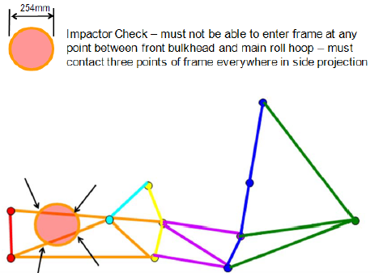
 |  |  |  |  |  |  |  |  |  |  |  |  |  | T.2.20.2ab | FBHS configuration: |  | A |  | EQ |  |  |  |  |  |  |  |  | Wall thickness: |  |  |  |  | mm | N/A | REJECT
 |  |  |  |  |  |  |  |  |  |  |  |  |  | Top of Upper FBHS tube relative to top of Upper SIS tube: |  |  | Below |  | EQ |  |  |  |  |  |  |  |  | Outer Diameter (OD): |  |  |  |  | mm | N/A | T.2.13 | Main Hoop Brace Support (MBHS) thinnest wall: |  | Round |  | EQ
T.2.23.4b - It may be shown with testing in the IAD document that the AI plate deflects less than 25mm without a diagonal. The SES can be accepted prior to IAD testing, but will be sent back for revision if a diagonal proves necessary. |  |  |  |  |  |  |  |  |  |  |  |  |  | Vertical limit 50mm below: |  |  | 18 | mm | EQ |  |  |  |  |  |  |  |  |  |  |  |  |  |  |  |  | Wall thickness: |  | 1.5 | mm | EQ
 |  |  |  |  |  |  |  |  |  |  |  |  |  |  | Rearward Front Hoop Brace is not required. |  |  |  |  |  |  |  |  |  |  |  | T.2.5.1 - minimum Shoulder Harness Brace tube size: Round: 25mm x 1.5mm -or- 26mm x 1.2mm (1in x .047in) Square: 25mm x 25mm x 1.2mm (1in x 1in x .047in) |  |  |  |  |  |  |  |  | Outer Diameter (OD): |  | 20 | mm | REJECT

T.2.23.4a, T.2.5.1 - minimum Front Bulkhead Diagonal tube size: Round: 25mm x 1.5mm -or- 26mm x 1.2mm (1in x .047in) Square: 25mm x 25mm x 1.2mm (1in x 1in x .047in) |  |  |  |  |  |  |  |  |  |  |  |  |  | EQ |  |  |  |  |  |  |  |  |  |  |  |  |  |  |  |  |  |  |  |  | T.2.5.1 - minimum MBHS tube size: Round: 25mm x 1.5mm -or- 26mm x 1.2mm (1in x .047in) Square: 25mm x 25mm x 1.2mm (1in x 1in x .047in)
 |  |  |  |  |  |  |  |  |  |  |  |  |  | T.2.14.4 | Top of FH to top of FHB tube, 50mm vertical limit: |  | 23 | mm | EQ
 |  |  |  |  |  |  |  |  |  |  |  |  |  |  |  |  |  |  |  |  |  |  |  |  |  |  | EQ
 |  |  |  |  |  |  |  |  |  |  |  |  |  | EQ |  |  |  |  |  |  |  |  |  |  |  |  | T.2.11.3a | Main Hoop direction in side view above Upper SIS: |  |  |  | Rearward |  | EQ
 |  |  |  |  |  |  |  |  |  |  |  |  |  | T.2.14 | Forward Front Hoop Brace thinnest wall tube: |  | Round |  | EQ |  |  |  |  |  |  |  |  | Main Hoop side angle above Upper SIS <=10: |  |  |  | 7.5 | degrees | EQ
 |  |  |  |  |  |  |  |  |  |  |  |  |  |  | Wall thickness: |  | 1.5 | mm | EQ |  |  |  |  |  |  |  | T.2.13.3 | Main Hoop requires braces that run rearward.
 |  |  |  |  |  |  |  |  |  |  |  |  |  |  | Outer Diameter (OD): |  | 30 | mm | EQ
 |  |  |  |  |  |  |  |  |  |  |  |  |  |  |  |  |  |  |  |  |  |  |  |  |  |  | EQ
 |  |  |  |  |  |  |  |  |  |  |  |  |  |  | Rearward Front Hoop Brace is not required. |  |  |  |  |  |  |  |  |  |  |  | T.2.11.3c | Main Hoop direction in side view below Upper SIS: |  |  |  | Rearward |  | EQ
 |  |  |  |  |  |  |  |  |  |  |  |  |  | EQ |  |  |  |  |  |  |  |  |  |  |  |  |  | Main Hoop <=10 degrees in the rearward direction: |  |  |  | 7.5 | degrees | EQ
 |  |  |  |  |  |  |  |  |  |  |  |  |  | T.2.20.2b | Rear Front Bulkhead Support thinnest wall tube: |  | Round |  | N/A
 |  |  |  |  |  |  |  |  |  |  |  |  |  |  | Wall thickness: |  |  | mm | N/A |  |  |  |  |  |  |  | EQ
 |  |  |  |  |  |  |  |  |  |  |  |  |  |  | Outer Diameter (OD): |  |  | mm | N/A |  |  |  |  |  |  |  | T.2.11.4 | Distance between Main Hoop ends >=380mm (15") |  |  |  | 535 | mm | EQ
 |  |  |  |  |  |  |  |  |  |  |  |  |  |  |  |  |  |  |  |  |  |  |  |  |  |  |  |  |  |  |  |  |  |  |  |  |  |  |  |  |  |  |  |  |  |  | 5. | X-geometry may be used instead of diagonals.
 |  |  |  |  |  |  |  |  |  |  |  |  |  | T.2.20.2b - minimum rearward Front Bulkhead Support tube size: Round: 25mm x 1.5mm (1in x .047in) Square: 25mm x 25mm x 1.2mm (1in x 1in x .047in) |  |  |  |  |  |  |  |  |  |  |  |  | T.2.8.1 - Enter the tightest bend on any T.5-6 tube in the chassis (usually in the MH or SH.) |  |  |  |  |  |  |  |  |  |  |  |  |  |  |  |  |  |  |  |  | X- and V- Hoop Braces are discouraged, especially for the Main Hoop.
 |  |  |  |  |  |  |  |  |  |  |  |  |  |  |  |  |  |  |  |  |  |  |  |  |  |  | EQ
 |  |  |  |  |  |  |  |  |  |  |  |  |  |  |  |  |  |  |  |  |  |  |  |  |  |  | T.2.8.1 | Minimum tube centerline radius: |  |  |  | 100 | mm | EQ
 |  |  |  |  |  |  |  |  |  |  |  |  |  | T.2.14.5- minimum rearward Front Hoop Brace tube size: Round: 25mm x 1.75mm (1in x .065in) Square: 25mm x 25mm x 1.2mm (1in x 1in x .047in) |  |  |  |  |  |  |  |  |  |  |  |  |  | Outer Diameter (OD): |  |  |  | 30 | mm | EQ
 |  |  |  |  |  |  |  |  |  |  |  |  |  |  |  |  |  |  |  |  |  |  |  |  |  |  |  | Minimum radius::diameter ratio >=3: |  |  |  | 3.3333333333 |  | EQ

 |  |  |  |  |  |  |  |  |  |  |  |  |  | T.2.6.3 - For alternate T.2.6 wall thicknesses as low as 1.2mm (.047in), the outer diameter must be increased to maintain the cross sectional area.

T.2.4.4 Welded Tube Inserts
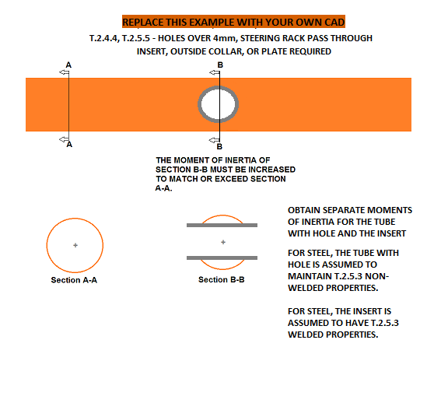

BLANK
Any holes over 4mm drilled in required tubes?

Select Drop Down

BLANK
Does the steering rack interrupt any required tubes? | Welded Tube Insert with dimensions. |  |  |  |  |  |  | Welded Tube Insert with dimensions. |  |  |  |  |  |  | Welded Tube Insert with dimensions. |  |  |  |  |  |  | Welded Tube Insert with dimensions. |  |  |  |  |  |  | Welded Tube Insert with dimensions.

Select Drop Down

mm

BLANK

 | If additional images are necessary, they may be placed below each section. |  |  |  |  |  |  | If additional images are necessary, they may be placed below each section. |  |  |  |  |  |  | If additional images are necessary, they may be placed below each section. |  |  |  |  |  |  | If additional images are necessary, they may be placed below each section. |  |  |  |  |  |  | If additional images are necessary, they may be placed below each section.
 | EQ |  | Welded Tube Insert |  |  |  |  | EQ |  | Welded Tube Insert |  |  |  |  | EQ |  | Welded Tube Insert |  |  |  |  | EQ |  | Welded Tube Insert |  |  |  |  | EQ |  | Welded Tube Insert

 | Note: Units are given in Pa, not MPa or GPa. |  |  |  |  |  |  | Note: Units are given in Pa, not MPa or GPa. |  |  |  |  |  |  | Note: Units are given in Pa, not MPa or GPa. |  |  |  |  |  |  | Note: Units are given in Pa, not MPa or GPa. |  |  |  |  |  |  | Note: Units are given in Pa, not MPa or GPa.
2019 | EQ |  |  |  |  |  |  | EQ |  |  |  |  |  |  | EQ |  |  |  |  |  |  | EQ |  |  |  |  |  |  | EQ
Ecole Centrale de Lyon |  |  |  | Original Tube_1 | Insert_2 + Tube_3 |  | EQ |  |  |  | Original Tube_1 | Insert_2 + Tube_3 |  | EQ |  |  |  | Original Tube_1 | Insert_2 + Tube_3 |  | EQ |  |  |  | Original Tube_1 | Insert_2 + Tube_3 |  | EQ |  |  |  | Original Tube_1 | Insert_2 + Tube_3 |  | EQ
Ecurie Piston Sport Auto |  |  |  |  |  |  | EQ |  |  |  |  |  |  | EQ |  |  |  |  |  |  | EQ |  |  |  |  |  |  | EQ |  |  |  |  |  |  | EQ
0 |  | Original tube: |  | Round | Round |  | EQ |  | Original tube: |  | Round | Round |  | EQ |  | Original tube: |  | Round | Round |  | EQ |  | Original tube: |  | Round | Round |  | EQ |  | Original tube: |  | Round | Round |  | EQ
0 |  | Wall thickness: |  |  |  | mm | EQ |  | Wall thickness: |  |  |  | mm | EQ |  | Wall thickness: |  |  |  | mm | EQ |  | Wall thickness: |  |  |  | mm | EQ |  | Wall thickness: |  |  |  | mm | EQ
Internal Combustion |  | Outer Diameter: |  |  |  | mm | EQ |  | Outer Diameter: |  |  |  | mm | EQ |  | Outer Diameter: |  |  |  | mm | EQ |  | Outer Diameter: |  |  |  | mm | EQ |  | Outer Diameter: |  |  |  | mm | EQ
 |  | Tube cross sectional area (A_1): |  |  | - | mm^2 | EQ |  | Tube cross sectional area (A_1): |  |  | - | mm^2 | EQ |  | Tube cross sectional area (A_1): |  |  | - | mm^2 | EQ |  | Tube cross sectional area (A_1): |  |  | - | mm^2 | EQ |  | Tube cross sectional area (A_1): |  |  | - | mm^2 | EQ
For EQ: All entries filled out correctly. -or- No holes over 4mm: Clear Wall Thickness, OD, Area, and Second moment boxes. Identical tube / insert combinations need to be identified everywhere used on the chassis, but only need to be calculated once. If more than 5 tube / insert combinations are used, make a copy of this tab. |  | Tube second moment of inertia (I_1): |  |  | - | mm^4 | EQ |  | Tube second moment of inertia (I_1): |  |  | - | mm^4 | EQ |  | Tube second moment of inertia (I_1): |  |  | - | mm^4 | EQ |  | Tube second moment of inertia (I_1): |  |  | - | mm^4 | EQ |  | Tube second moment of inertia (I_1): |  |  | - | mm^4 | EQ
 |  | Insert/Collar cross sectional area (A_2): |  |  |  | mm^2 | EQ |  | Insert/Collar cross sectional area (A_2): |  |  |  | mm^2 | EQ |  | Insert/Collar cross sectional area (A_2): |  |  |  | mm^2 | EQ |  | Insert/Collar cross sectional area (A_2): |  |  |  | mm^2 | EQ |  | Insert/Collar cross sectional area (A_2): |  |  |  | mm^2 | EQ
 |  | Insert/Collar second moment of inertia (I_2): |  |  |  | mm^4 | EQ |  | Insert/Collar second moment of inertia (I_2): |  |  |  | mm^4 | EQ |  | Insert/Collar second moment of inertia (I_2): |  |  |  | mm^4 | EQ |  | Insert/Collar second moment of inertia (I_2): |  |  |  | mm^4 | EQ |  | Insert/Collar second moment of inertia (I_2): |  |  |  | mm^4 | EQ
 |  | Tube with Hole cross sectional area (A_3): |  |  |  | mm^2 | EQ |  | Tube with Hole cross sectional area (A_3): |  |  |  | mm^2 | EQ |  | Tube with Hole cross sectional area (A_3): |  |  |  | mm^2 | EQ |  | Tube with Hole cross sectional area (A_3): |  |  |  | mm^2 | EQ |  | Tube with Hole cross sectional area (A_3): |  |  |  | mm^2 | EQ
 |  | Tube with Hole second moment of inertia (I_3): |  |  |  | mm^4 | EQ |  | Tube with Hole second moment of inertia (I_3): |  |  |  | mm^4 | EQ |  | Tube with Hole second moment of inertia (I_3): |  |  |  | mm^4 | EQ |  | Tube with Hole second moment of inertia (I_3): |  |  |  | mm^4 | EQ |  | Tube with Hole second moment of inertia (I_3): |  |  |  | mm^4 | EQ
 | T.2.5.3a | Young's Modulus (E): |  | 2.00E+11 | 2.00E+11 | Pa | EQ | T.2.5.3a | Young's Modulus (E): |  | 2.00E+11 | 2.00E+11 | Pa | EQ | T.2.5.3a | Young's Modulus (E): |  | 2.00E+11 | 2.00E+11 | Pa | EQ | T.2.5.3a | Young's Modulus (E): |  | 2.00E+11 | 2.00E+11 | Pa | EQ | T.2.5.3a | Young's Modulus (E): |  | 2.00E+11 | 2.00E+11 | Pa | EQ
 |  | Yield Strength (Sy): |  | 3.05E+08 | 1.80E+08 | Pa | EQ |  | Yield Strength (Sy): |  | 3.05E+08 | 1.80E+08 | Pa | EQ |  | Yield Strength (Sy): |  | 3.05E+08 | 1.80E+08 | Pa | EQ |  | Yield Strength (Sy): |  | 3.05E+08 | 1.80E+08 | Pa | EQ |  | Yield Strength (Sy): |  | 3.05E+08 | 1.80E+08 | Pa | EQ
 |  | Ultimate Strength (Su): |  | 3.65E+08 | 3.00E+08 | Pa | EQ |  | Ultimate Strength (Su): |  | 3.65E+08 | 3.00E+08 | Pa | EQ |  | Ultimate Strength (Su): |  | 3.65E+08 | 3.00E+08 | Pa | EQ |  | Ultimate Strength (Su): |  | 3.65E+08 | 3.00E+08 | Pa | EQ |  | Ultimate Strength (Su): |  | 3.65E+08 | 3.00E+08 | Pa | EQ
 | Buckling Modulus |  | E_1*I_1 <= E_2*I_2 + E_1*I_3: |  |  |  | EQ | Buckling Modulus |  | E_1*I_1 <= E_2*I_2 + E_1*I_3: |  |  |  | EQ | Buckling Modulus |  | E_1*I_1 <= E_2*I_2 + E_1*I_3: |  |  |  | EQ | Buckling Modulus |  | E_1*I_1 <= E_2*I_2 + E_1*I_3: |  |  |  | EQ | Buckling Modulus |  | E_1*I_1 <= E_2*I_2 + E_1*I_3: |  |  |  | EQ
 | Yield | Sy_1*A_1 <= Sy_2*A_2 + Sy_1*A_3: |  |  |  |  | EQ | Yield | Sy_1*A_1 <= Sy_2*A_2 + Sy_1*A_3: |  |  |  |  | EQ | Yield | Sy_1*A_1 <= Sy_2*A_2 + Sy_1*A_3: |  |  |  |  | EQ | Yield | Sy_1*A_1 <= Sy_2*A_2 + Sy_1*A_3: |  |  |  |  | EQ | Yield | Sy_1*A_1 <= Sy_2*A_2 + Sy_1*A_3: |  |  |  |  | EQ
 | Ultimate | Su_1*A_1 <= Su_2*A_2 + Su_1*A_3: |  |  |  |  | EQ | Ultimate | Su_1*A_1 <= Su_2*A_2 + Su_1*A_3: |  |  |  |  | EQ | Ultimate | Su_1*A_1 <= Su_2*A_2 + Su_1*A_3: |  |  |  |  | EQ | Ultimate | Su_1*A_1 <= Su_2*A_2 + Su_1*A_3: |  |  |  |  | EQ | Ultimate | Su_1*A_1 <= Su_2*A_2 + Su_1*A_3: |  |  |  |  | EQ
 | Bending | 4*Su_1*I_1/r <= 4*Su_1*(I_2+I_3)/r: |  |  |  |  | EQ | Bending | 4*Su_1*I_1/r <= 4*Su_1*(I_2+I_3)/r: |  |  |  |  | EQ | Bending | 4*Su_1*I_1/r <= 4*Su_1*(I_2+I_3)/r: |  |  |  |  | EQ | Bending | 4*Su_1*I_1/r <= 4*Su_1*(I_2+I_3)/r: |  |  |  |  | EQ | Bending | 4*Su_1*I_1/r <= 4*Su_1*(I_2+I_3)/r: |  |  |  |  | EQ
 | Deflection | Bending_1/(48*EI): |  |  |  |  | EQ | Deflection | Bending_1/(48*EI): |  |  |  |  | EQ | Deflection | Bending_1/(48*EI): |  |  |  |  | EQ | Deflection | Bending_1/(48*EI): |  |  |  |  | EQ | Deflection | Bending_1/(48*EI): |  |  |  |  | EQ
 | Energy | 0.5*Bending^2/(48*EI) |  |  |  |  | EQ | Energy | 0.5*Bending^2/(48*EI) |  |  |  |  | EQ | Energy | 0.5*Bending^2/(48*EI) |  |  |  |  | EQ | Energy | 0.5*Bending^2/(48*EI) |  |  |  |  | EQ | Energy | 0.5*Bending^2/(48*EI) |  |  |  |  | EQ

T.2.18 Bolted Members
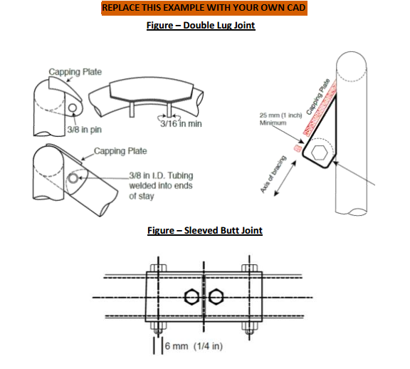
BLANK
Bolted Members Used?
Select Drop Down

For EQ: All entries filled out correctly. - or - No connection used: 1. Bolted Connection set to "Select drop down." 2. Clear lug thickness box. Symmetric left / right attachments only need to be entered for one side. If more than 5 non-symmetric bolted connections are used, make a copy of this tab.

 | Bolted Chassis Connection with dimensions. |  |  |  |  |  | Bolted Chassis Connection with dimensions. |  |  |  |  |  | Bolted Chassis Connection with dimensions. |  |  |  |  |  | Bolted Chassis Connection with dimensions. |  |  |  |  |  | Bolted Chassis Connection with dimensions.

mm

BLANK

 | If additional images are necessary, they may be placed below each section. |  |  |  |  |  | If additional images are necessary, they may be placed below each section. |  |  |  |  |  | If additional images are necessary, they may be placed below each section. |  |  |  |  |  | If additional images are necessary, they may be placed below each section. |  |  |  |  |  | If additional images are necessary, they may be placed below each section.
 | EQ |  | Bolted Connection |  |  |  | EQ |  | Bolted Connection |  |  |  | EQ |  | Bolted Connection |  |  |  | EQ |  | Bolted Connection |  |  |  | EQ |  | Bolted Connection

2019
Ecole Centrale de Lyon | EQ |  |  |  |  |  | EQ |  |  |  |  |  | EQ |  |  |  |  |  | EQ |  |  |  |  |  | EQ
Ecurie Piston Sport Auto | T.2.18 | Bolted Connection: |  | Select drop down: |  | EQ | T.2.18 | Bolted Connection: |  | Select drop down: |  | EQ | T.2.18 | Bolted Connection: |  | Select drop down: |  | EQ | T.2.18 | Bolted Connection: |  | Select drop down: |  | EQ | T.2.18 | Bolted Connection: |  | Select drop down: |  | EQ
0
0 | T.2.18.4 - Double lug joints caps at both ends. |  |  |  |  |  | T.2.18.4 - Double lug joints caps at both ends. |  |  |  |  |  | T.2.18.4 - Double lug joints caps at both ends. |  |  |  |  |  | T.2.18.4 - Double lug joints caps at both ends. |  |  |  |  |  | T.2.18.4 - Double lug joints caps at both ends.
Internal Combustion
 | EQ |  |  |  |  |  | EQ |  |  |  |  |  | EQ |  |  |  |  |  | EQ |  |  |  |  |  | EQ
 | T.2.18.3a | Lug thickness >= 4.5mm (0.177in) steel: |  |  | mm | EQ | T.2.18.3a | Lug thickness >= 4.5mm (0.177in) steel: |  |  | mm | EQ | T.2.18.3a | Lug thickness >= 4.5mm (0.177in) steel: |  |  | mm | EQ | T.2.18.3a | Lug thickness >= 4.5mm (0.177in) steel: |  |  | mm | EQ | T.2.18.3a | Lug thickness >= 4.5mm (0.177in) steel: |  |  | mm | EQ
 | T.2.18.3b | Perpendicular dimension >=25mm (1in): |  |  | mm | EQ | T.2.18.3b | Perpendicular dimension >=25mm (1in): |  |  | mm | EQ | T.2.18.3b | Perpendicular dimension >=25mm (1in): |  |  | mm | EQ | T.2.18.3b | Perpendicular dimension >=25mm (1in): |  |  | mm | EQ | T.2.18.3b | Perpendicular dimension >=25mm (1in): |  |  | mm | EQ

 | T.2.18.5 - Double lug joints require a pin or fastener >= 10mm Grade 9.8 (3/8in Grade 8). |  |  |  |  |  | T.2.18.5 - Double lug joints require a pin or fastener >= 10mm Grade 9.8 (3/8in Grade 8). |  |  |  |  |  | T.2.18.5 - Double lug joints require a pin or fastener >= 10mm Grade 9.8 (3/8in Grade 8). |  |  |  |  |  | T.2.18.5 - Double lug joints require a pin or fastener >= 10mm Grade 9.8 (3/8in Grade 8). |  |  |  |  |  | T.2.18.5 - Double lug joints require a pin or fastener >= 10mm Grade 9.8 (3/8in Grade 8).
 | T.2.18.6 - Sleeved butt joints require a pin or fastener >= 6mm Grade 9.8 (1/4in Grade 8). |  |  |  |  |  | T.2.18.6 - Sleeved butt joints require a pin or fastener >= 6mm Grade 9.8 (1/4in Grade 8). |  |  |  |  |  | T.2.18.6 - Sleeved butt joints require a pin or fastener >= 6mm Grade 9.8 (1/4in Grade 8). |  |  |  |  |  | T.2.18.6 - Sleeved butt joints require a pin or fastener >= 6mm Grade 9.8 (1/4in Grade 8). |  |  |  |  |  | T.2.18.6 - Sleeved butt joints require a pin or fastener >= 6mm Grade 9.8 (1/4in Grade 8).
 | T.2.17.3 - Any bolted non-suspension member must have an edge::distance ratio >=1.5. |  |  |  |  |  | T.2.17.3 - Any bolted non-suspension member must have an edge::distance ratio >=1.5. |  |  |  |  |  | T.2.17.3 - Any bolted non-suspension member must have an edge::distance ratio >=1.5. |  |  |  |  |  | T.2.17.3 - Any bolted non-suspension member must have an edge::distance ratio >=1.5. |  |  |  |  |  | T.2.17.3 - Any bolted non-suspension member must have an edge::distance ratio >=1.5.
 | Dimensions shown above from the edges of the holes to the end of each tube/tab >=1.5 x diameter. |  |  |  |  |  | Dimensions shown above from the edges of the holes to the end of each tube/tab >=1.5 x diameter. |  |  |  |  |  | Dimensions shown above from the edges of the holes to the end of each tube/tab >=1.5 x diameter. |  |  |  |  |  | Dimensions shown above from the edges of the holes to the end of each tube/tab >=1.5 x diameter. |  |  |  |  |  | Dimensions shown above from the edges of the holes to the end of each tube/tab >=1.5 x diameter.

 | EQ |  |  |  |  |  | EQ |  |  |  |  |  | EQ |  |  |  |  |  | EQ |  |  |  |  |  | EQ
 | T.2.17.3 | Hole diameter / fastener size: |  |  | mm | EQ | T.2.17.3 | Hole diameter / fastener size: |  |  | mm | EQ | T.2.17.3 | Hole diameter / fastener size: |  |  | mm | EQ | T.2.17.3 | Hole diameter / fastener size: |  |  | mm | EQ | T.2.17.3 | Hole diameter / fastener size: |  |  | mm | EQ
 |  | Distance to tube edge: |  |  | mm | EQ |  | Distance to tube edge: |  |  | mm | EQ |  | Distance to tube edge: |  |  | mm | EQ |  | Distance to tube edge: |  |  | mm | EQ |  | Distance to tube edge: |  |  | mm | EQ
 |  | Distance to tab edge: |  |  | mm | EQ |  | Distance to tab edge: |  |  | mm | EQ |  | Distance to tab edge: |  |  | mm | EQ |  | Distance to tab edge: |  |  | mm | EQ |  | Distance to tab edge: |  |  | mm | EQ
 |  | Minimum edge::diameter ratio >=1.5: |  |  |  | EQ |  | Minimum edge::diameter ratio >=1.5: |  |  |  | EQ |  | Minimum edge::diameter ratio >=1.5: |  |  |  | EQ |  | Minimum edge::diameter ratio >=1.5: |  |  |  | EQ |  | Minimum edge::diameter ratio >=1.5: |  |  |  | EQ

